daa_creator
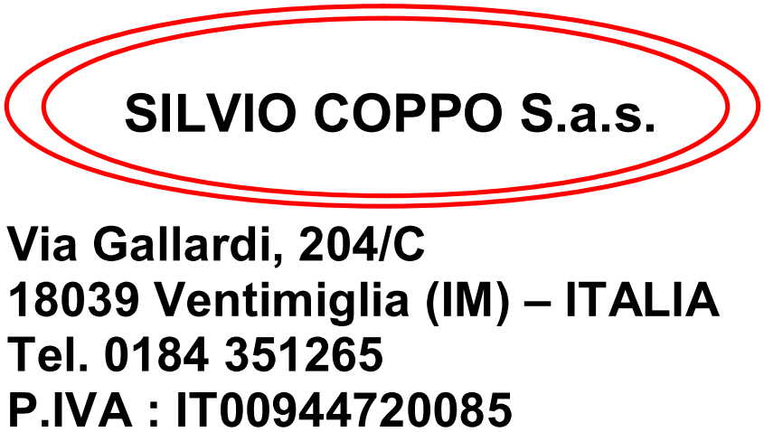
SALVA DAA
 |  |  |  |  |  |  |  |  |  | Destinatario : |  |  |  |  | MASSALENGO 1

 |  |  |  |  |  |  |  |  |  |  | RADEBERGER GROUP SPA
 |  |  |  |  |  |  |  |  |  |  | Via Renata Bianchi 40
 |  |  |  |  |  |  |  |  |  |  | 16152 GENOVA (GE)
 |  |  |  |  |  |  |  |  |  |  | P. IVA 00276790102

BOLLA ACCOMPAGNAMENTO N. | 28 |  | DEL | 2024-02-13 |  | VS. RIF. DM |  | 18-346

Descrizione Articolo | Casse | Q.tà | Peso Netto | Peso Lordo | plt | Litri Idrati | HL/Gplato | G. Plato | Accisa | Aliquota | Capacità | Taric | CPA | Nomencl.
CM13P6 - COMPLOT 1/3 SR PACK CESTA 2X3 | 1,026 | 24,624 | 8,212.06 | 14,902.61 | 0 | 8,125.92 | 1,210.762 | 14.90 | 3,620.18 | 2.99 | 0.33 |  | B000 | 22030001
EC13P6 - DAURA DAMM 1/3 SR PACK CESTA ABIERTA 2X3 | 270 | 6,480 | 2,161.07 | 3,921.74 | 0 | 2,138.40 | 280.130 | 13.10 | 837.59 | 2.99 | 0.33 |  | B000 | 22030001
EC14P6 - DAURA 1/4 PACK SEMICERRADO 6U. | 462 | 11,088 | 2,801.38 | 4,986.22 | 0 | 2,772.00 | 363.132 | 13.10 | 1,085.76 | 2.99 | 0.25 |  | B000 | 22030001
ED30I - ESTRELLA DAMM BARRIL 30 EU. | 18 | 18 | 545.51 | 770.19 | 0 | 540.00 | 70.740 | 13.10 | 211.51 | 2.99 | 30.00 |  | B000 | 22030010

TOTALE COLLI | 1,776 | 42,210 | 13,720.02 | 24,580.76 |  | 13,576.32 | 1,924.764 |  | 5,755.04

Luogo di destinazione :
TIESSE LOGISTICS SPA
VIA DELLE INDUSTRIE SNC - 26815 MASSALENGO (LO)

Vettore : |  |  |  |  | FIRMA VETTORE
BGR - KEYSI EOOD
UL 31 POLK N. 54 ET 4 AP 8
BG-7500 SILISTRA - BULGARIA |  |  |  |  | ------------------------------------------------------------
Trasporto a cura del destinatario

Data e ora dell'inizio trasporto : 13/02/2024 |  | H. | 09:15

